Punto 2
Clearing time | Stable/Unstable | Peak Value | Peak time
1.11 | stable | 42.742 | 1.225
1.12 | stable | 47.572 | 1.233
1.13 | stable | 52.732 | 1.242
1.14 | stable | 58.262 | 1.25
1.15 | stable | 64.242 | 1.267 | INCREASING OF FIRST OSCILLATION WIDTH
1.16 | stable | 70.806 | 1.275
1.17 | stable | 78.054 | 1.292
1.18 | stable | 86.309 | 1.308
1.19 | stable | 96.215 | 1.333
1.2 | stable | - | -
1.21 | unstable | - | - |  | INCREASING SLOPE? Delta(t)
1.22 | unstable | - | -
1.23
1.24
1.25
1.26
1.27
1.28
1.29
1.3
1.31
1.32
1.33
1.34
1.35
1.36
1.37
1.38
1.39

Punto 3
Clearing time | Stable/Unstable | SPIRIT69 Peak Value | SPIRIT69 Peak Time | AGGIE345 Peak Value | AGGIE345 Peak Time | RELLIS69 Peak Value | RELLIS69 Peak Time
1.1 | stable | 2.943 | 1.208 | 14.221 | 1.158 | -5.635 | 1.167
1.11 | stable | 4.961 | 1.217 | 12.018 | 1.492 | -5.483 | 1.175
1.12 | stable | 7.074 | 1.225 | 14.327 | 1.167 | -5.342 | 1.175
1.13 | stable | 9.3 | 1.225 | 14.368 | 1.175 | -5.214 | 1.183
1.14 | stable | 11.622 | 1.233 | 14.404 | 1.175 | -5.102 | 1.183
1.15 | stable | 14.047 | 1.242 | 14.432 | 1.175 | -5 | 1.192 |  | IL NERO COMINCIA A ALZARSI
1.16 | stable | 16.579 | 1.25 | 14.454 | 1.183 | -4.92 | 1.2 | SPIRIT SUPERA AGGIE
1.17 | stable | 19.221 | 1.258 | 14.47 | 1.183 | -4.848 | 1.2
1.18 | stable | 21.976 | 1.267 | 14.477 | 1.183 | -4.799 | 1.2
1.19 | stable | 24.85 | 1.275 | 14.482 | 1.19 | -4.758 | 1.208
1.2 | stable | 27.846 | 1.283 | 14.482 | 1.192 | -4.736 | 1.208
1.21 | stable | 30.971 | 1.292 | 14.614 | 1.825 | -4.725 | 1.217
1.22 | stable | 34.225 | 1.3 | 14.832 | 1.833 | -4.722 | 1.217
1.23 | stable | 37.614 | 1.308 | 15.084 | 1.833 | -4.672 | 1.717
1.24 | stable | 41.141 | 1.317 | 15.367 | 1.842 | -4.476 | 1.717
1.25 | stable | 44.81 | 1.325 | 15.692 | 1.842 | -4.262 | 1.725
1.26 | stable | 48.627 | 1.333 | 16.054 | 1.85 | -4.028 | 1.725
1.27 | stable | 52.592 | 1.342 | 16.459 | 1.858 | -3.763 | 1.733
1.28 | stable | 56.768 | 1.358 | 16.917 | 1.867 | -3.473 | 1.742
1.29 | stable | 61.13 | 1.367 | 17.429 | 1.875 | -3.156 | 1.75
1.3 | stable | 65.666 | 1.375 | 18.005 | 1.883 | -2.808 | 1.758
1.31 | stable | 70.426 | 1.392 | 18.651 | 1.892 | -2.43 | 1.767
1.32 | stable | 75.486 | 1.4 | 19.38 | 1.908 | -2.028 | 1.775
PEAK TIME
1.33 | stable | 80.805 | 1.417 | 20.199 | 1.925 | -1.614 | 1.792
1.34 | stable | 86.524 | 1.425 | 21.137 | 1.942 | -1.194 | 1.8
1.35 | stable | 92.748 | 1.442 | 22.211 | 1.958 | -0.812 | 1.825
1.36 | stable | 99.702 | 1.467 | 23.429 | 1.983 | -0.559 | 1.85
1.37 | stable | 107.895 | 1.492 | 24.734 | 2.033 | -0.768 | 1.892
1.38 | stable | 119.397 | 1.55 | 23.72 | 2.142 | -4 | 2.117
1.39 | unstabl | - | - | - | - | - | -
1.4 |  | - | - | - | - | - | -
1.41 |  | - | - | - | - | - | -

Punto 4
TIME COMPUTED= 1.227
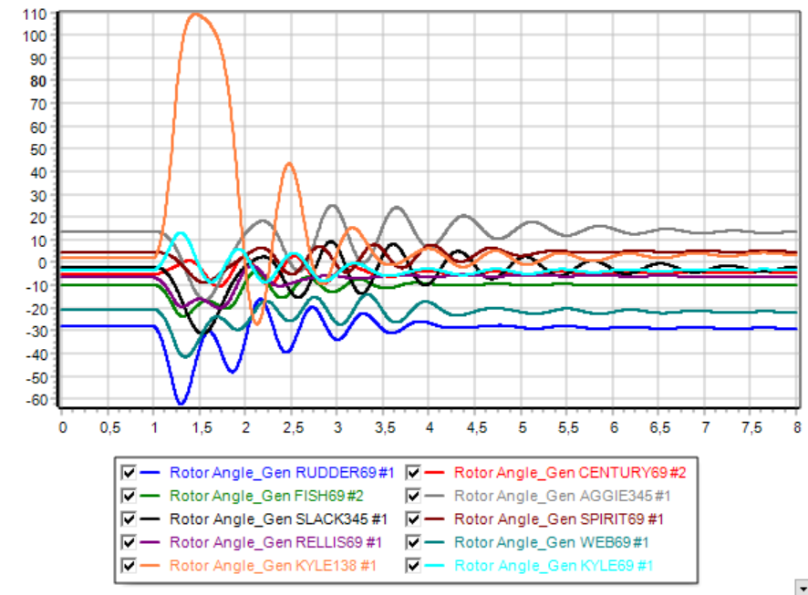
AUMENTA L'AMPIEZZA DELLA CURVA ARANCIONE

